Bugs Found in Software Projects
Project | Bugs Found | *Sorted: Smalest to Largest | Bins | Bin | Frequency | Quartiles
A | 12 | 5 | 0 | 0 | 0 | Min | 5
B | 7 | 7 | 5 | 5 | 1 | Q1 | 7
C | 9 | 7 | 10 | 10 | 4 | Q2 | 9
D | 15 | 8 | 15 | 15 | 3 | Q3 | 12
E | 7 | 9 | 20 | 20 | 0 | Max | 15
F | 5 | 11 |  | More | 0
G | 8 | 12
Standard Deviation Chart
I | 11 | 15

Mean | 9.250 | Range [5 … 15]
Median | 8.500
Mode | 7
Standard Deviation | 3.240
Variance | 10
Interquartile Range (IQR) | 4.750
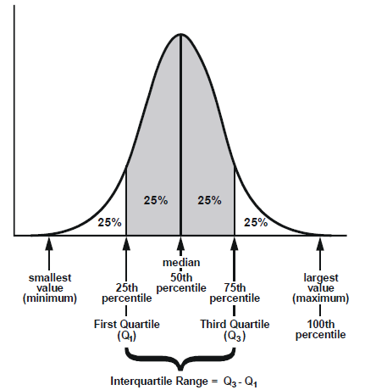
Mean Deviation | 2.563
Root Mean Square | 9.734
Geometric Mean | 8.768

